BugReport
QA |  |  |  |  |  |  |  |  |  |  | Dev
Bug ID | ModuleName | Build No | Bug Description | TCID | Steps to replicate bug | Screenshot | Sevirity | Priority | Reported By | Assigned to | Resolution | Status | Fixed Date
ORHRM_001 | Orange HRM-MyInfo | 1 | Dashboard is displayed after login is successful instead of MyInfo page. | TC_MyInfo_001 | 1) Launch browser 2) Open URL "https://opensource-demo.orangehrmlive.com" 3) Provide valid ESS user name 4) Provide valid password 5) Click on Login button | 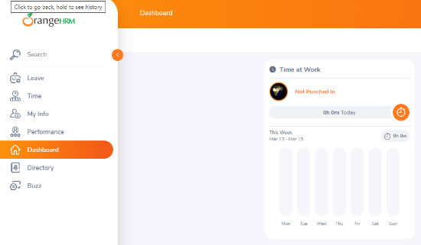 | S3 | P3 | Vipul | Ramesh | Accepted | InProgress | -
ORHRM_002 | Orange HRM-MyInfo | 1 | User can make more than 3 login attempts | TC_MyInfo_007 | 1) Launch browser 2) Open URL "https://opensource-demo.orangehrmlive.com" 3) Provide valid ESS user name 4) Provide valid password 5) Click on Login button | 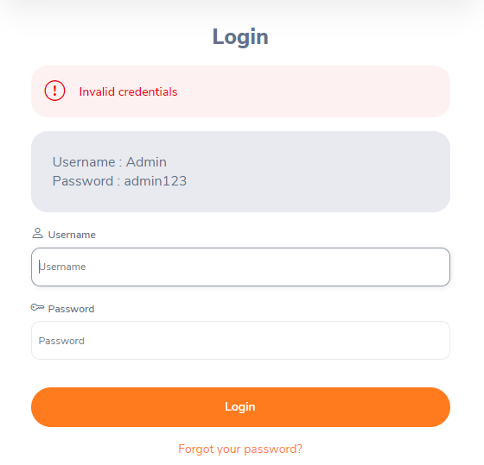 | S1 | P1 | Vipul | Ramesh | Accepted | InProgress
ORHRM_003 | Orange HRM-MyInfo | 1 | No 'Remember Me' checkbox button present | TC_MyInfo_008 | 1) Launch browser 2) Open URL "https://opensource-demo.orangehrmlive.com" 3) Provide valid ESS user name 4) Provide valid password 5) Click on Login button | 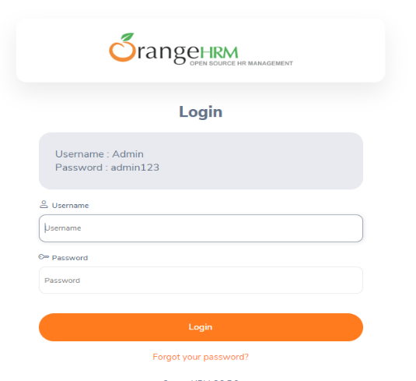 | S3 | P3 | Vipul | Ramesh | Accepted | InProgress
ORHRM_004 | Orange HRM-MyInfo | 1 | File type not allowed message should be displayed but instead it shows 'Attachment Size Exceeded' | TC_MyInfo_013 | 1) Login to OrangeHRM as ESS user 2) Click on MyInfo tab 3) Click on the photograph at corner of the screen 4) Click "Browse" and then select rar file from the relevant path. 5) Click "Upload" once you have selected the file | 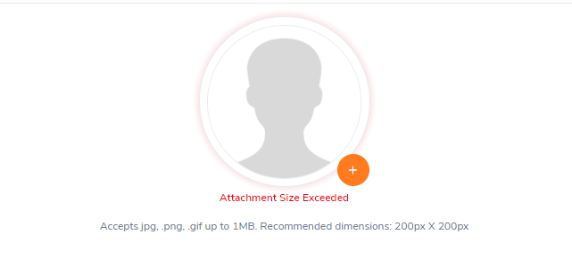 | S3 | P3 | Vipul | Ramesh | Accepted | Awaiting Review | -

